Rigorous Shell and Tube
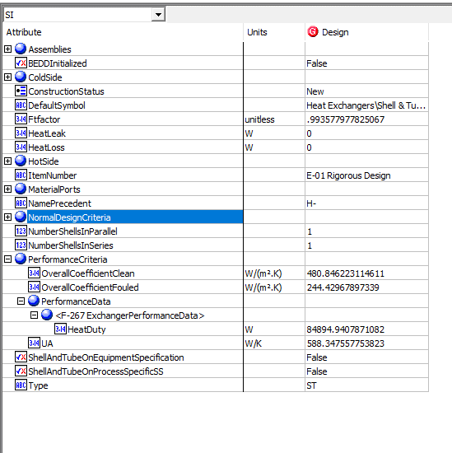
File name | shell and tube heat exchanger.hsc
Unit Operation | E-01 Rigorous Design

Workflow
1. Open attached shell and tube heat exchanger.hsc file.
2. Click on the Datasheet button on the ribbon.
3. Select a server to connect, then connect to a workspace.
4. Go to Mapper tab, click on the hyperlink of E-01 Rigorous Design to open Object Mapping screen.
5. Select 'Shell and Tube Heat Exchanger' for the MapAs Column, and 'Create' for Workspace Object column.
6. Make sure the ports of valve are mapped automated.
7. Click on Close icon at the top right to close the Object Mapping screen.
8. Click Save Change and Transfer button.
9. Click on the Explorer tab, click on E-01 Rigorous Design in by Equipment view. Make sure all data are correctly.

Expected Results

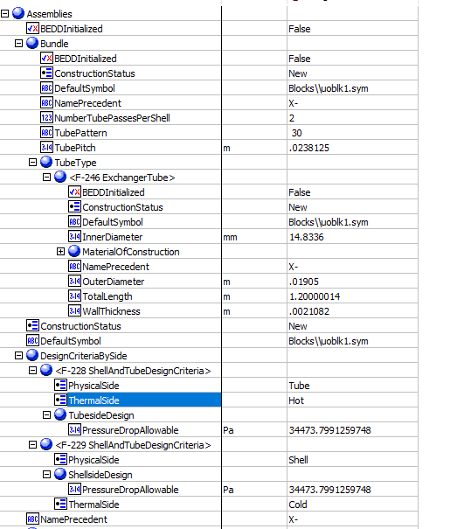
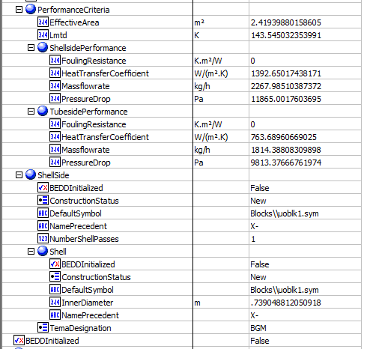
Shell And Tube Exchanger (CQ00746225)
 |  |  |  |  |  | Assemblies
Index Number | Attributes | AbeAds Class View | ABE Class/Shell and Tube Heat Exchanger For Transfer from Hysys | Baseline | Units

1 | Tube side mass flowrate | TubeSideMassFlow | Assemblies.PerformanceCriteria.TubesidePerformance.Massflowrate | 1814.3880976 | kg/h
2 | Shell side mass flowrate | ShellSideMassFlow | Assemblies.PerformanceCriteria.ShellsidePerformance.Massflowrate | 2267.985122 | kg/h
17 | Shell side allowable pressure drop | ShellPressureDropAllowable | Assemblies.DesignCriteriaBySide[PhysicalSide="Shell"].PressureDrop | 34.473799126 | kPa | Shell Inlet | Shell Outlet
18 | Tube side allowable pressure drop | TubePressureDropAllowable | Assemblies.DesignCriteriaBySide[PhysicalSide="Tube"].PressureDrop | 34.473799126 | kPa
19 | shell side fouling resistance | ShellFoulingResistance | Assemblies.PerformanceCriteria.ShellsidePerformance.FoulingResistance | 0 | C-h-m2/kJ
20 | Tube side fouling resistance | TubeFoulingResistance | Assemblies.PerformanceCriteria.TubesidePerformance.FoulingResistance | 0 | C-h-m2/kJ
21 | Shell side heat transfer coefficient | ShellHeatTransferCoefficient | Assemblies.PerformanceCriteria.ShellsidePerformance.HeatTransferCoefficient | 1392.6501744 | W/m2-K
22 | Tube side heat transfer coefficient | TubeHeatTransferCoefficient | Assemblies.PerformanceCriteria.TubesidePerformance.HeatTransferCoefficient | 763.68960669 | W/m2-K
24 | LMTD | LogMeanTemperatureDifference | Assemblies.PerformanceCriteria.Lmtd | 143.54503235 | K
25 | Tube side OD | TubeOutsideDiameter | Assemblies.Bundle.Tube Type. ExchangerTube. OutDiameter | 19.05 | mm
26 | Tube thickness | TubeWALLThickness | Assemblies.Bundle.TubeType(1).WallThickness | 2.1082 | mm
27 | Tube length | TubeLength | Assemblies.Bundle.TubeType(1).TotalLength | 1200.00014 | mm
28 | Shell ID | ShellDiameter | Assemblies. ShellSide.ShellDiameterInner | 739.04881205 | mm
29 | tube pitch | TubePitch | Assemblies.Bundle.TubePitch | 23.8125 | mm
30 | Shell side calculated pressure drop | ShellPressureDropCalculated | Assemblies.ShellSide.NormalOperatingCriteria.PressureDrop | 11.86500176 | kPa
31 | Tube side calculated pressure drop | TubePressureDropCalculated | Assemblies.Bundle.NormalOperatingCriteria.PressureDrop | 9.8133766676 | kPa
76 | Effective Surface Area | AreaEffective | Assemblies.PerformanceCriteria.EffectiveArea | 2.4193988016 | m2
67 | Number of ShellPasses | NumberOfShellPasses | Assemblies.ShellSide.NumberShellPasses | 1
68 | ShellTEAMType | ShellTEMAType | Assemblies.ShellSide.TemaShellType | BGM
71 | NumberofTubePassesPerShell | NumberOfTubePasses | Assemblies.Bundle.NumberTubePassesPerShell | 2
72 | TubeInsideDiameter | TubeInsideDiameter | Assemblies.Bundle.TubeType(1).InnerDiameter | 14.8336 | mm

3 | Shell side inlet temperature | ShellInletTemperature | MaterialPorts[PhysicalAllocation="ShellIn"].Flow.BulkFlow.Temperature | 699.81666667 | K
4 | Shell side outlet temperature | ShellOutletTemperature | MaterialPorts[PhysicalAllocation="ShellOut"].Flow.BulkFlow.Temperature | 659.31912194 | K
5 | tube side inlet temperature | TubeInletTemperature | MaterialPorts[PhysicalAllocation="TubeIn"].Flow.BulkFlow.Temperature | 505.37222222 | K
6 | tube side outlet temperture | TubeOutletTemperature | MaterialPorts[PhysicalAllocation="TubeOut"].Flow.BulkFlow.Temperature | 564.4209434 | K
7 | shell side inlet liquid mass density | ShellSideInletLiquidMassDensity | MaterialPorts[PhysicalAllocation="ShellInlet"].Flow.LiquidPhase.PvtProperties.DensityMassBasis | 1.1481367655 | kg/m3 | MeterialPorts-TubeInlet |  | MeterialPorts-TubeOutlet | MeterialPorts-ShellInlet | MeterialPorts-ShellOutlet
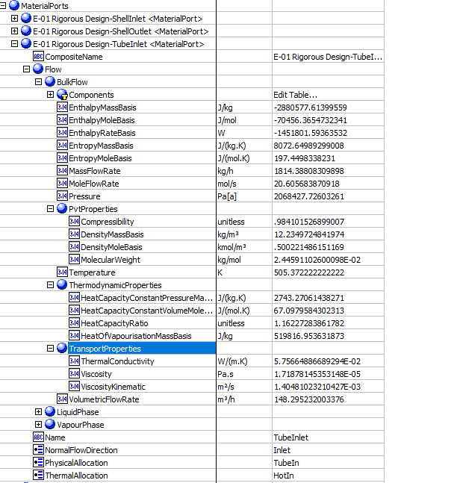
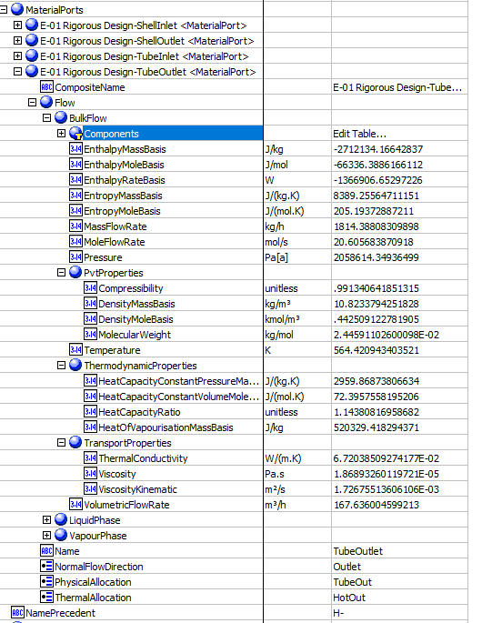
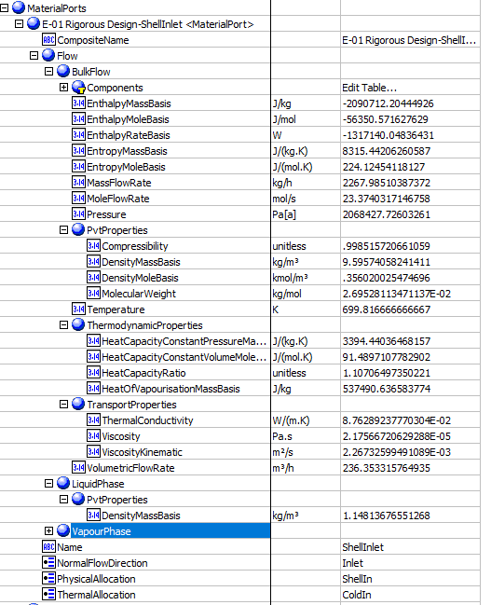
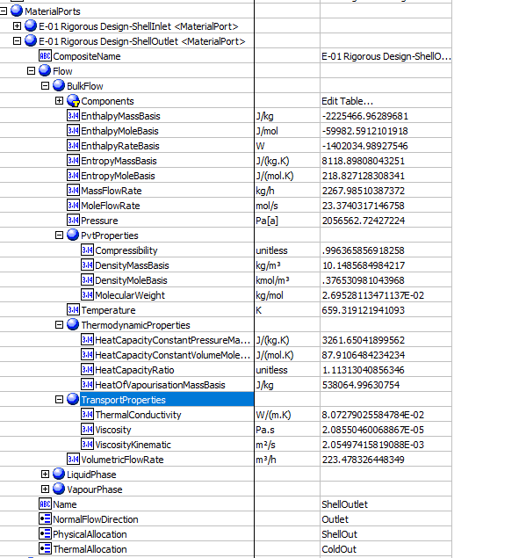
8 | shell side outlet liquid mass density | ShellSideOutletLiquidMassDensity | MaterialPorts[PhysicalAllocation="ShellOut"].Flow.LiquidPhase.PvtProperties.DensityMassBasis | 1.1481367655 | kg/m3
9 | tube side inlet liquid mass density | TubeSideInletLiquidMassDensity | MaterialPorts[PhysicalAllocation="TubeIn"].Flow.LiquidPhase.PvtProperties.DensityMassBasis | 1.0406682449 | kg/m3
10 | tube side outlet liquid mass density | TubeSideOutletLiquidMassDensity | MaterialPorts[PhysicalAllocation="TubeOut"].Flow.LiquidPhase.PvtProperties.DensityMassBasis | 1.0406682449 | kg/m3
11 | shell side inlet latent heat | ShellSideInletLatentHeat | MaterialPorts[PhysicalAllocation="ShellIn"].Flow.LiquidPhase.ThermodynamicProperties.HeatOfVapourisationMassBasis | 537.49063658 | kJ/kg
12 | shell side outlet latent heat | ShellSideOutLetLatentHeat | MaterialPorts[PhysicalAllocation="ShellOut"].Flow.LiquidPhase.ThermodynamicProperties.HeatOfVapourisationMassBasis | 538.06499631 | kJ/kg
13 | tube side inlet latent heat | TubeSideInletLatentHeat | MaterialPorts[PhysicalAllocation="TubeIn"].Flow.BulkFlow.ThermodynamicProperties.HeatOfVapourisationMassBasis (J/kg) | 519.81695363 | kJ/kg
14 | tube side outlet latent heat | TubeSideOutLetLatentHeat | MaterialPorts[PhysicalAllocation="TubeOut"].Flow.BulkFlow.ThermodynamicProperties.HeatOfVapourisationMassBasis (J/kg) | 520.32941829 | kJ/kg
15 | shell side inlet pressure | ShellSideInletPressure | MaterialPorts[PhysicalAllocation="ShellIn"].Flow.BulkFlow.Pressure (Pa[a]) | 2068.427726 | kPa
16 | tube side inlet pressure | TubeSideInletPressure | MaterialPorts[PhysicalAllocation="TubeIn"].Flow.BulkFlow.Pressure | 2068.427726 | kPa

23 | Duty | Duty | PerformanceCriteria.PerformanceData(1).HeatDuty | 84894.940787 | W
62 | UA | UA | PerformanceCriteria.OverallHeatTransferCoefficient | 588.34755775 | W/C
74 | Overall Clean Coefficient | Uclean | PerformanceCriteria.OverallCoefficientClean | 480.84622311 | W/m2-K
75 | Overall Dirty Coefficient | Ufouled | PerformanceCriteria.OverallCoefficientFouled | 244.42967897 | W/m2-K
63 | UACurvatureError | UaCurvatureError | UaCurvatureError | <empty>
64 | FT factor | FT factor | FT factor | 0.99357797783
65 | HeatLeak | HeatLeak | HeatLeak | 0
66 | HeatLoss | HeatLoss | HeatLoss | 0
69 | Number of Shell in Parallel | ShellParallel | NumberShellsInParallel | 1
70 | Number of Shell in Series | ShellSeries | NumberShellsInSeries | 1
73 | Tube Pattern | TubePattern | X:NO ABE Mapping provided | 30-Triangular
90 | TemperatureHotPinch | TemperatureHotPinch | HotSide.PinchTemperature | 699.81666667 | K
91 | TemperatureColdPinch | TemperatureColdPinch | ColdSide.PinchTemperature | 564.4209434 | K

 |  |  |  |  |  | OtherValues

